
 |  |  |  | CODE: |  |  | pl1063 aa SN from 96D673
DESCRIPTION: |  | ELECTRIC UNIT 4 |  | ELEKTRISCHE GRUPPE 4 | GROUPE ELECTRIQUE 4 | GRUPO ELÉCTRICO 4 | PARTI ELETTRICHE 4
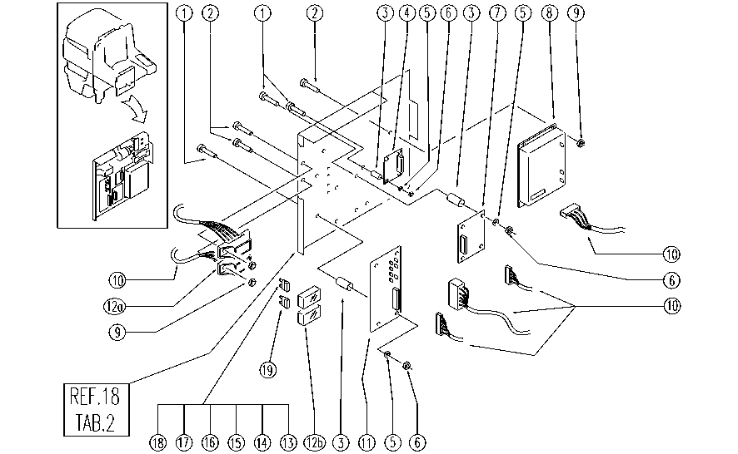

 |  |  |  |  |  |  | .xls]

REF. | CODE | DESCRIPTION | QT
1 | E86597 | screw | 12
2 | E86903 | AS30/36 Screw M.4-16 | 8
3 | SL14184 | SPACER | 12
4 | E87901 | Board | 1
5 | SL06009 | WASHER | 12
6 | E89274 | Nut | 12
7 | E86834 | Auxiliary Card - Rhino Uno | 1
8 | E86838 | Traction Card | 1
9 | E86739 | AS28 Nut | 8
10 | GR23479 | WIRING UNIT | 2
11 | E86833 | Pump Card | 1
12a | E89468 | Fuse Carrier | 2
12b | SL23893-2 | LID | 2
13 | E86825 | Fuse 5 amp | 1
14 | E86825 | Fuse 5 amp | 1
15 | E86825 | Fuse 5 amp | 1
16 | E86825 | Fuse 5 amp | 1
17 | E86827 | Fuse 25 amp | 1
18 | E86826 | Fuse 15 amp | 1
19 | E86825 | Fuse 5 amp | 1

